HAX
SEPTEMBER 2021
HAXTUN MEAL SITE
For Reservations or Cancelations call 774-7001 by 8:00 a.m.
MONDAY | TUESDAY | WEDNESDAY | THURSDAY | FRIDAY
 |  | 1 | 2 | 3
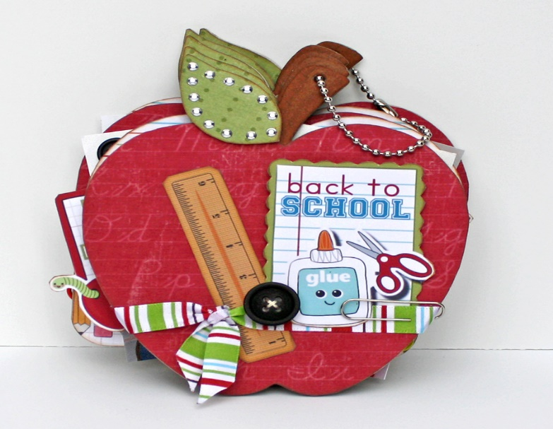
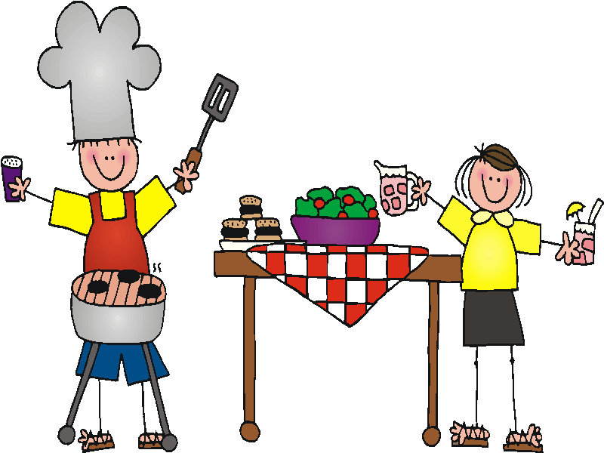
 |  | SAVORY BAKED CHICKEN |  | SOUTHERN BEEF PIE
 | For Reservations | MASHED POTATOES W/ GRAVY |  | BEETS
 | Call 774-7001 | GREEN BEANS W/ TOMATOES |  | CABBAGE TOSS
 | by 8:00 a.m. | WW ROLL |  | PEAR SLICES
 | the day you want the meal. | STRAWBERRIES & BANANAS |  | BROWNIES
 |  | NATURE COOKIE
 | If you must cancel your meal,
 | please do so by 8:00 a.m. | Calories: 782 Carb: 100.3g Fib: 10.2g |  | Calories: 626 Carb: 86.7g Fib: 9.5g
 |  | Protein: 44.1g Fat: 25.0g Sod: 1244mg |  | Protein: 30.0g Fat: 20.7g Sod: 485mg
6 | 7 | 8 | 9 | 10
 |  | CHOICE:HAMBURGER STEAK |  | CHICKEN CROISSANT
 |  | OVEN FRIED LIVER |  | TUSCANY SOUP
 |  | PARSLIED POTATOES |  | SPINACH CAULIFLOWER SALAD
 |  | BRAISED CELERY & TOMATOES |  | PINEAPPLE TIDBITS
 |  | WW ROLL
 |  | APPLESAUCE

 |  | Calories: 645 Carb: 91.9g Fib: 10.6g |  | Calories: 760 Carb: 105.6g Fib: 10.2g
 |  | Protein: 33.6g Fat: 17.9g Sod: 525mg |  | Protein: 38.9g Fat: 22.7g Sod: 902mg
13 | 14 | 15 | 16 | 17
SPAGHETTI W/ MEAT SAUCE |  | BEEF O'LE |  | HAM & BEANS
MARINATED VEGGIE SALAD |  | REFRIED BEANS |  | CORN MUFFIN
GARLIC BREAD |  | MEXICALI CORN |  | CREAMY COLESLAW
PLUMS |  | PEAR ORANGE FRUIT CUP |  | PINEAPPLE TIDBITS
COOKIE W/ CHOCOLATE CHIPS |  | CINNAMON CRISPIES |  | OATMEAL NUT COOKIES

Calories: 693 Carb: 94.2g Fib: 11.3g |  | Calories: 742 Carb: 108.8g Fib: 14.2g |  | Calories: 718 Carb: 110.6g Fib: 13.9g
Protein: 33.6g Fat: 23.8g Sod: 586mg |  | Protein: 37.7g Fat: 20.6g Sod: 585mg |  | Protein: 29.9g Fat: 19.8g Sod: 1235mg
20 | 21 | 22 | 23 | 24
SALISBURY STEAK |  | SWEDISH MEATBALLS |  | CHOICE: CHICKEN PENNE CASSEROLE
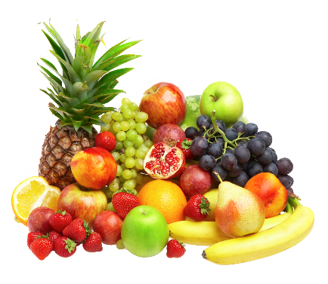
BAKED POTATO |  | MASHED POTATOES |  | TUNA PENNE CASSEROLE
LAYERED SALAD |  | JEANNIE'S SALAD |  | COUNTRY MIX VEGETABLES
OATMEAL ROLL |  | WW ROLL |  | BRAN MUFFIN
FRUIT CUP |  | BANANA SPLIT FRUIT CUP |  | MANDARIN ORANGES W/ BANANAS

Calories: 768 Carb: 91.5g Fib: 9.5g |  | Calories: 694 Carb: 98.3g Fib: 9.7g |  | Calories: 601 Carb: 99.2g Fib: 11.5g
Protein: 45.3g Fat: 26.1g Sod: 667mg |  | Protein: 33.4g Fat: 21.6g Sod: 646mg |  | Protein: 30.2g Fat: 13.1g Sod: 627mg
27 | 28 | 29 | 30
HAMBURGER ON A BUN |  | CHOICE: HAMBURGER STEAK |  | IF YOU CHOOSE THE CHOICE ENTRÉE, PLEASE MAKE THE RESERVATION FOR IT AT LEAST 1 (one) DAY BEFORE.
BAKED BEANS |  | BAKED FISH
CALIFORNIA VEGETABLES |  | HERBED LENTILS AND RICE
LETTUCE/TOMATO/ONION | Menu may change due to availability | GREEN BEANS | Suggested Donation - $4.00
DILL PICKLE CHIPS | of food items or conditions that cause | BRAN MUFFIN
PEAR SLICES | the kitchen to close. | PEACH SLICES BIRTHDAY RECOGNITION | Under Age 60
 |  | CINNAMON CRISPIES | Mandatory Charge - $12.50
Calories: 685 Carb: 83.9g Fib:12.5 g |  | Calories: 640 Carb: 96.8g Fib: 10.4g
Protein 44.9g Fat 21.5g Sod: 795 mg |  | Protein: 32.3g Fat: 16.7g Sod: 1018mg

